Sheet1
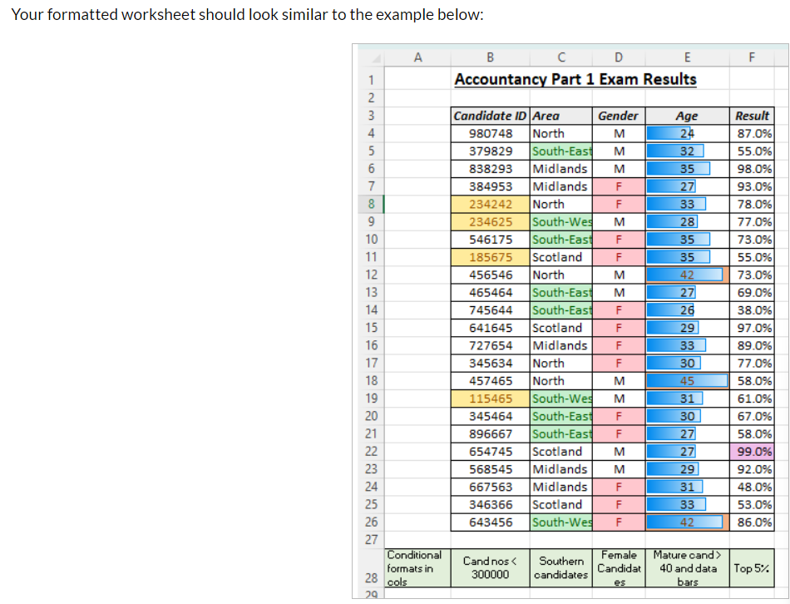
 | Accountancy Part 1 Exam Results
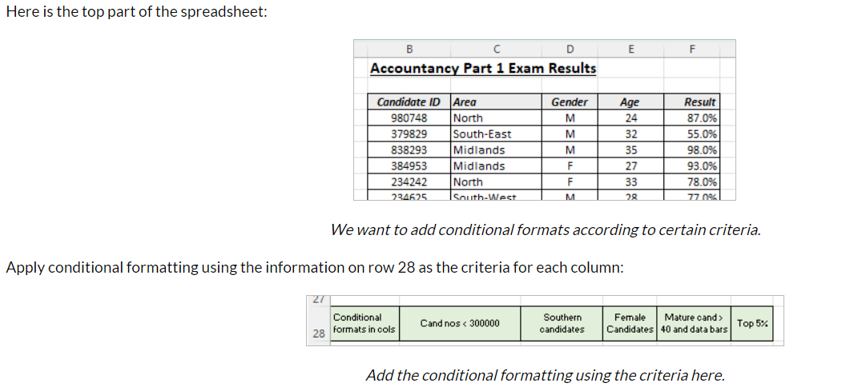
 | Candidate ID | Area | Gender | Age | Result
 | 980748 | North | M | 24 | 87.0%
 | 379829 | South-East | M | 32 | 55.0%
 | 838293 | Midlands | M | 35 | 98.0%
 | 384953 | Midlands | F | 27 | 93.0%
 | 234242 | North | F | 33 | 78.0%
 | 234625 | South-West | M | 28 | 77.0%
 | 546175 | South-East | F | 35 | 73.0%
 | 185675 | Scotland | F | 35 | 55.0%
 | 456546 | North | M | 42 | 73.0%
 | 465464 | South-East | M | 27 | 69.0%
 | 745644 | South-East | F | 26 | 38.0%
 | 641645 | Scotland | F | 29 | 97.0%
 | 727654 | Midlands | F | 33 | 89.0%
 | 345634 | North | F | 30 | 77.0%
 | 457465 | North | M | 45 | 58.0%
 | 115465 | South-West | M | 31 | 61.0%
 | 345464 | South-East | F | 30 | 67.0%
 | 896667 | South-East | F | 27 | 58.0%
 | 654745 | Scotland | M | 27 | 99.0%
 | 568545 | Midlands | M | 29 | 92.0%
 | 667563 | Midlands | F | 31 | 48.0%
 | 346366 | Scotland | F | 33 | 53.0%
 | 643456 | South-West | F | 42 | 86.0%

Conditional formats in cols | Cand nos < 300000 | Southern candidates | Female Candidates | Mature cand > 40 and data bars | Top 5%

